Foglio1
PHOTO | CODE | ARTICLE | SIZE | AVAILABILITY | Pcs. X Carton
 |  |  |  | Pieces
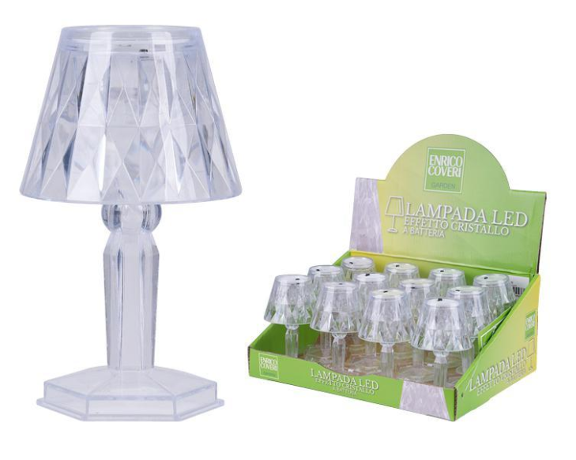

 | 64971120 | LED TABLE LAMP | 6,5H X 11 CM. | 3804 | ( 1 carton 72 pcs. )

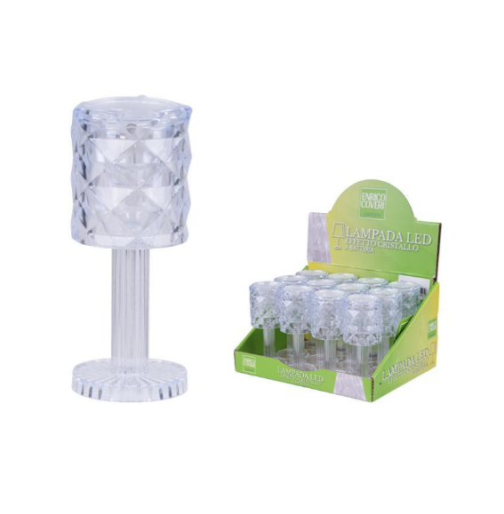

 | 64971122 | LED TABLE LAMP | 5H X 12CM | 7272 | ( 1 carton 72 pcs. )

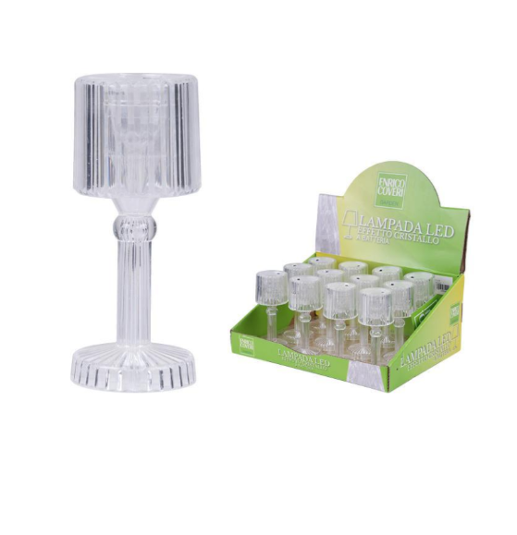

 | 64971124 | LED TABLE LAMP | 4,5H X 8CM | 4104 | ( 1 carton 72 pcs. )

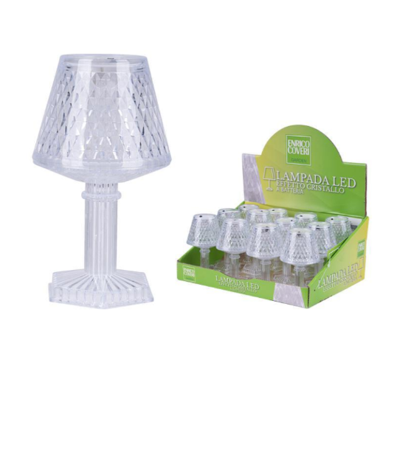

 | 64971125 | LED TABLE LAMP | 6,5H X 12CM | 3816 | ( 1 carton 72 pcs. )

